Sheet2
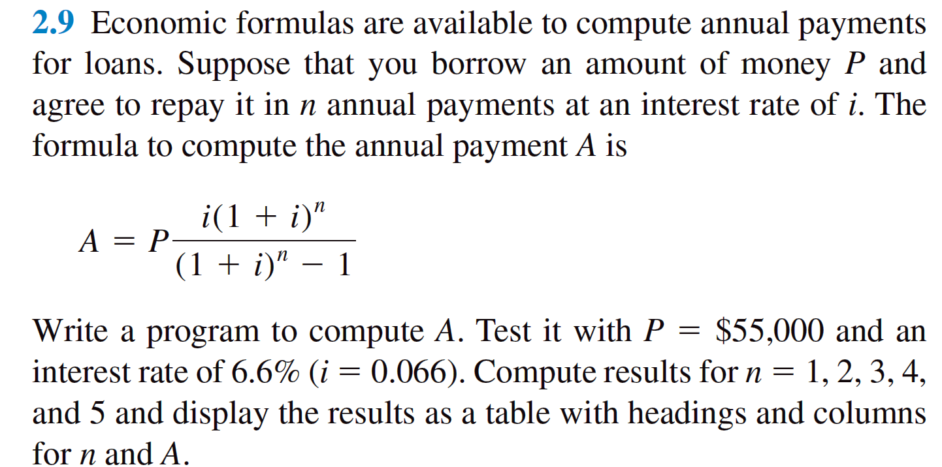
n | P | I | A
1 | 55000 | 3630 | 58630
2 | 58630 | 3869.58 | 62499.58
3 | 62499.58 | 4124.97228 | 66624.55228
4 | 66624.55228 | 4397.2204505 | 71021.77273
5 | 71021.77273 | 4687.4370002 | 75709.209731

Sheet3
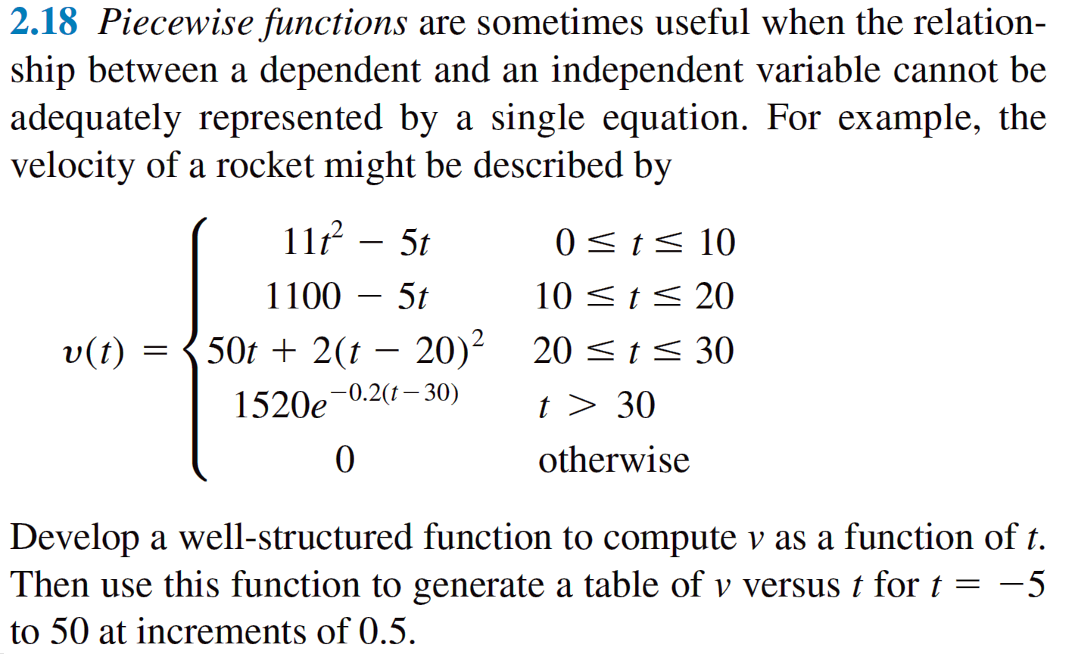
Problem 2.18 piecewise function

t | v
-5 | 0
-4.5 | 0
-4 | 0
-3.5 | 0
-3 | 0
-2.5 | 0
-2 | 0
-1.5 | 0
-1 | 0
-0.5 | 0
0 | 0
0.5 | 0.25
1 | 6
1.5 | 17.25
2 | 34
2.5 | 56.25
3 | 84
3.5 | 117.25
4 | 156
4.5 | 200.25
5 | 250
5.5 | 305.25
6 | 366
6.5 | 432.25
7 | 504
7.5 | 581.25
8 | 664
8.5 | 752.25
9 | 846
9.5 | 945.25
10 | 1050
10.5 | 1047.5
11 | 1045
11.5 | 1042.5
12 | 1040
12.5 | 1037.5
13 | 1035
13.5 | 1032.5
14 | 1030
14.5 | 1027.5
15 | 1025
15.5 | 1022.5
16 | 1020
16.5 | 1017.5
17 | 1015
17.5 | 1012.5
18 | 1010
18.5 | 1007.5
19 | 1005
19.5 | 1002.5
20 | 1000
20.5 | 1025.5
21 | 1052
21.5 | 1079.5
22 | 1108
22.5 | 1137.5
23 | 1168
23.5 | 1199.5
24 | 1232
24.5 | 1265.5
25 | 1300
25.5 | 1335.5
26 | 1372
26.5 | 1409.5
27 | 1448
27.5 | 1487.5
28 | 1528
28.5 | 1569.5
29 | 1612
29.5 | 1655.5
30 | 1700
30.5 | 1375.3528754
31 | 1244.4707447
31.5 | 1126.0436954
32 | 1018.88647
32.5 | 921.92660276
33 | 834.19368686
33.5 | 754.80966176
34 | 682.98002546
34.5 | 617.98588281
35 | 559.17675058
35.5 | 505.96404722
36 | 457.81520211
36.5 | 414.24832541
37 | 374.82738519
37.5 | 339.15784343
38 | 306.88270735
38.5 | 277.67895656
39 | 251.2543101
39.5 | 227.34430122
40 | 205.70963052
40.5 | 186.13377094
41 | 168.42080071
41.5 | 152.39344246
42 | 137.891289
42.5 | 124.76919791
43 | 112.89583889
43.5 | 102.15237936
44 | 92.43129519
44.5 | 83.635294486
45 | 75.676343919
45.5 | 68.474787638
46 | 61.958550047
46.5 | 56.06241445
47 | 50.72737034
47.5 | 45.900022802
48 | 41.53205812
48.5 | 37.579760235
49 | 34.003573221
49.5 | 30.767705398
50 | 27.839771111

